Sheet1
 |  |  |  |  |  |  |  |  |  |  |  | $330,110.50
STYLE | IMAGE | COLOR | S | M | L | XL | XXL | TOTAL | MSRP | WHS PRICE | PRICE
LO5C0273 | 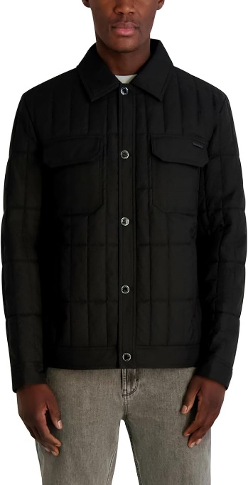 | BLACK | 72 | 200 | 210 | 100 | 66 | 648 | $295.00 | $132.75 | $44.50 | $28,836.00
LO5C0273 | 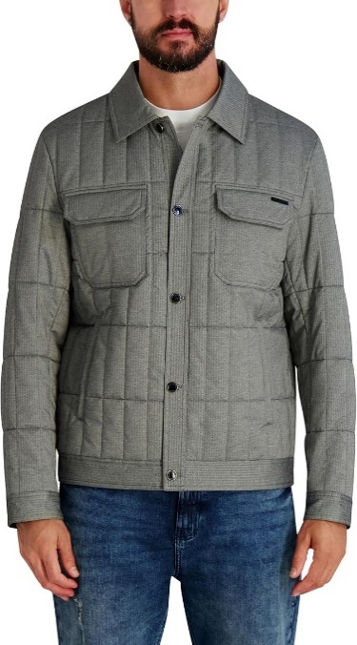 | GREY | 162 | 240 | 240 | 160 | 74 | 876 | $295.00 | $132.75 | $44.50 | $38,982.00
LO5C0273 | 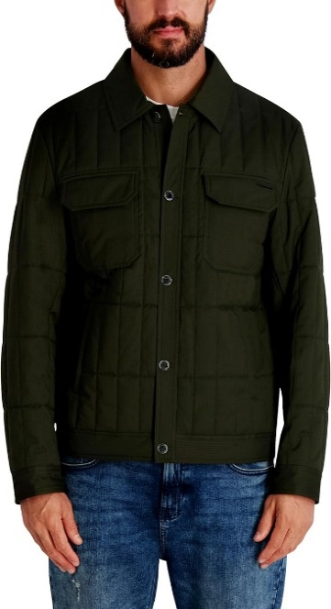 | OLIVE | 72 | 170 | 180 | 94 | 41 | 557 | $295.00 | $132.75 | $44.50 | $24,786.50
LO5C0260 | 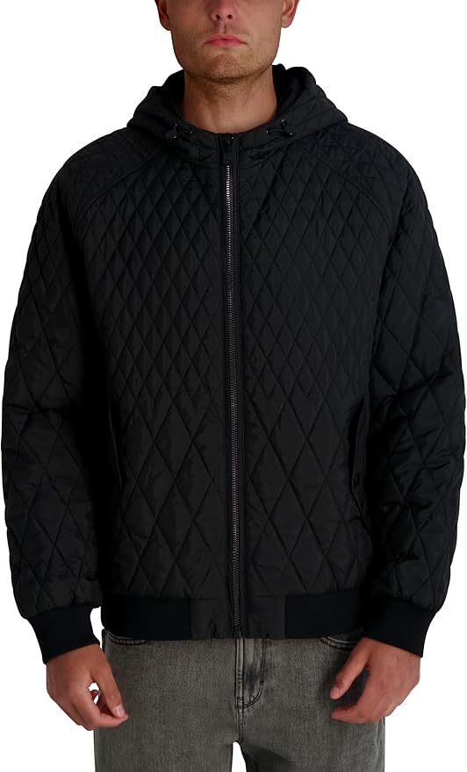 | BLACK | 53 | 200 | 240 | 96 | 81 | 670 | $295.00 | $132.75 | $44.50 | $29,815.00
LO5C0260 | 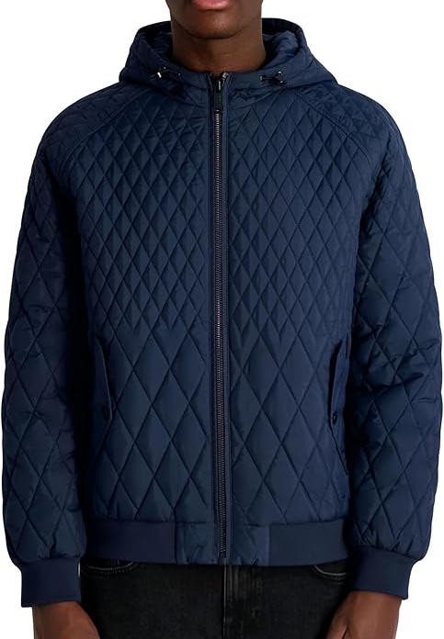 | NAVY | 140 | 130 | 130 | 130 | 110 | 640 | $295.00 | $132.75 | $44.50 | $28,480.00
LO5C0260 | 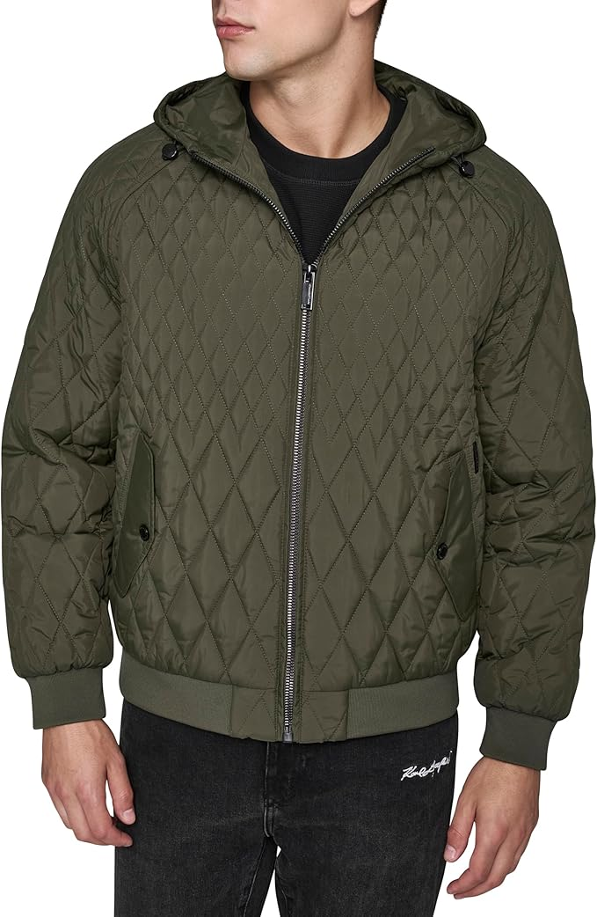 | OLIVE | 69 | 58 | 72 | 75 | 44 | 318 | $295.00 | $132.75 | $44.50 | $14,151.00
LO5C0211 | 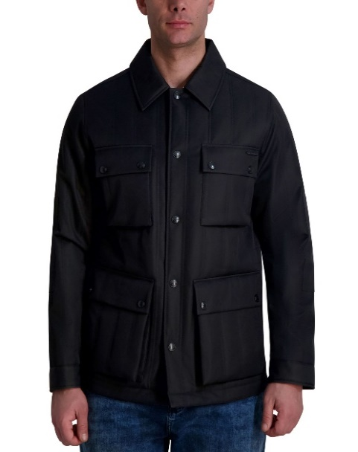 | BLACK | 320 | 480 | 470 | 320 | 150 | 1740 | $225.00 | $101.25 | $35.00 | $60,900.00
LO5C0211 | 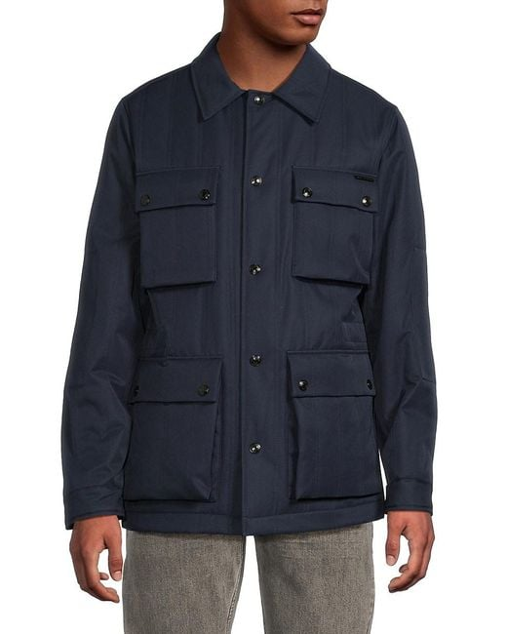 | NAVY | 150 | 210 | 210 | 140 | 74 | 784 | $225.00 | $101.25 | $35.00 | $27,440.00
LO5C0210 | 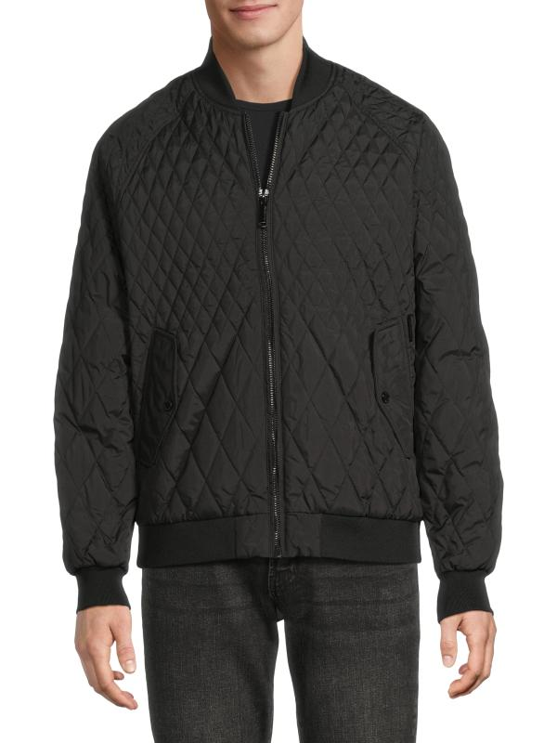 | BLACK | 62 | 170 | 190 | 68 | 50 | 540 | $225.00 | $101.25 | $35.00 | $18,900.00
LO5C0210 | 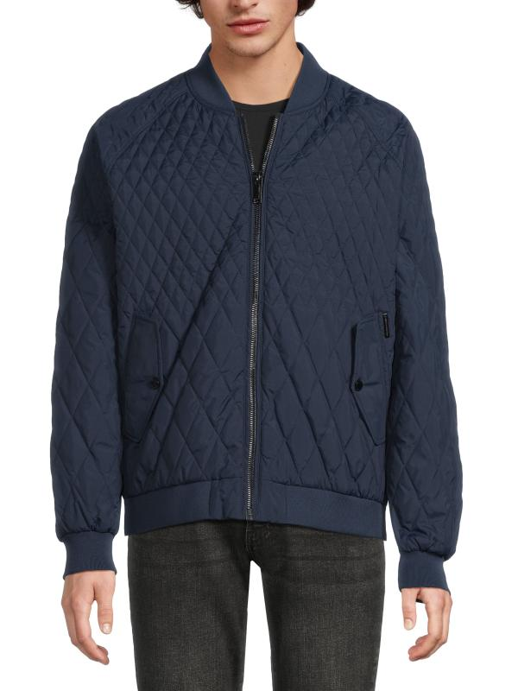 | NAVY | 110 | 200 | 210 | 120 | 72 | 712 | $225.00 | $101.25 | $35.00 | $24,920.00
LO5C0210 | 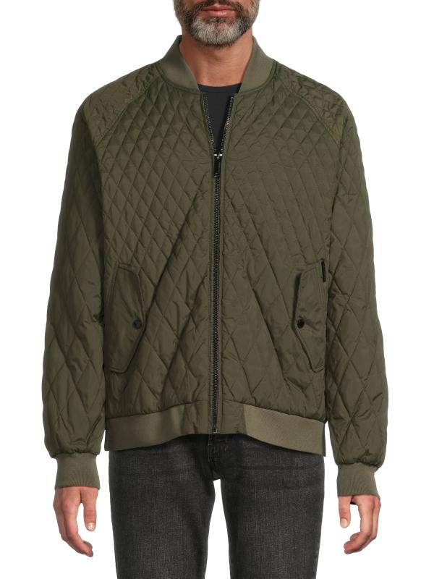 | OLIVE | 33 | 70 | 100 | 39 | 23 | 265 | $225.00 | $101.25 | $35.00 | $9,275.00
WLC42172 | 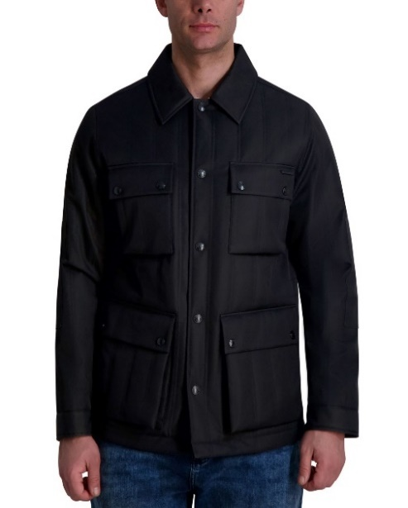 | BLACK | 170 | 230 | 170 | 100 | 5 | 675 | $225.00 | $101.25 | $35.00 | $23,625.00
 |  |  |  |  |  |  |  | 8425

